FLOW

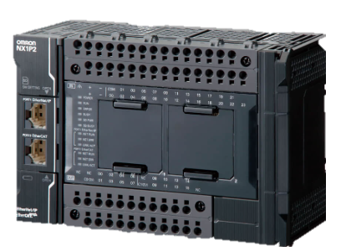
 | COMMAND TO SEND | FROM | TO | TO PORT | WHAT IS DOES | OUTPUT LOCATION | OUTPUT BIT | FEED BACK SENT | FORMAT | SEND TO
 | 1100 | SOFTWARE | PLC OMRON | 8000 | OUTPUT ON | PLC OMRON | 00 | PLC_OUTPUT_00_ON | TEXT | 1. SOFTWARE ON IP 192.168.5.250 (PORT 8003) 2. COBOT ON IP 192.168.5.20 (PORT________) YOU TELL
 | 1101 |  |  |  |  |  | 01 | PLC_OUTPUT_01_ON
 | 1102 |  |  |  |  |  | 02 | PLC_OUTPUT_02_ON
 | 1103 |  |  |  |  |  | 03 | PLC_OUTPUT_03_ON
 | 1104 |  |  |  |  |  | 04 | PLC_OUTPUT_04_ON
 | 1105 |  |  |  |  |  | 05 | PLC_OUTPUT_05_ON
SOFTWARE TO SEND AND RECIVEVE DATA/COMMAND
OMRON TM5-700
 | 1106 |  |  |  |  |  | 06 | PLC_OUTPUT_06_ON
OMRON NX1P2
 | 1107 |  |  |  |  |  | 07 | PLC_OUTPUT_07_ON
 | 1108 |  |  |  |  |  | 08 | PLC_OUTPUT_08_ON
 | 1109 |  |  |  |  |  | 09 | PLC_OUTPUT_09_ON
 | 1110 |  |  |  |  |  | 10 | PLC_OUTPUT_10_ON
IP 192.168.5.250
IP 192.168.5.21
IP 192.168.5.20
 | 1111 |  |  |  |  |  | 11 | PLC_OUTPUT_11_ON
 | 1112 |  |  |  |  |  | 12 | PLC_OUTPUT_12_ON
 | 1113 |  |  |  |  |  | 13 | PLC_OUTPUT_13_ON
 | 1114 |  |  |  |  |  | 14 | PLC_OUTPUT_14_ON
 | 1115 |  |  |  |  |  | 15 | PLC_OUTPUT_15_ON
 | 1200 |  |  |  | OUTPUT OFF |  | 00 | PLC_OUTPUT_00_OFF
 | 1201 |  |  |  |  |  | 01 | PLC_OUTPUT_01_OFF
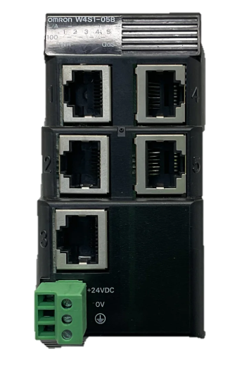
 | 1202 |  |  |  |  |  | 02 | PLC_OUTPUT_02_OFF
 | 1203 |  |  |  |  |  | 03 | PLC_OUTPUT_03_OFF
 | 1204 |  |  |  |  |  | 04 | PLC_OUTPUT_04_OFF
 | 1205 |  |  |  |  |  | 05 | PLC_OUTPUT_05_OFF
 | 1206 |  |  |  |  |  | 06 | PLC_OUTPUT_06_OFF
 | 1207 |  |  |  |  |  | 07 | PLC_OUTPUT_07_OFF
 | 1208 |  |  |  |  |  | 08 | PLC_OUTPUT_08_OFF
 | 1209 |  |  |  |  |  | 09 | PLC_OUTPUT_09_OFF
 | 1210 |  |  |  |  |  | 10 | PLC_OUTPUT_10_OFF
 | 1211 |  |  |  |  |  | 11 | PLC_OUTPUT_11_OFF
 | 1212 |  |  |  |  |  | 12 | PLC_OUTPUT_12_OFF
 | 1213 |  |  |  |  |  | 13 | PLC_OUTPUT_13_OFF
OMRON HUB
 | 1214 |  |  |  |  |  | 14 | PLC_OUTPUT_14_OFF
 | 1215 |  |  |  |  |  | 15 | PLC_OUTPUT_15_OFF
 | COMMAND TO SEND | FROM | TO |  | WHAT IS DOES | OUTPUT LOCATION | OUTPUT BIT | FEED BACK SENT | FORMAT
QUESTIONS | 2100 | SOFTWARE | PLC OMRON | 8000 | OUTPUT ON | TM5 - 700 | 00 | COBOT_OUTPUT_00_ON | TEXT | SOFTWARE ON IP 192.168.5.250 (PORT 8003)
1. WHERE TO SEND COMMAND FROM SOFTWARE TO RUN PROGRAMME ON PLC? | 2101 |  |  |  |  |  | 01 | COBOT_OUTPUT_01_ON
1. WHERE TO SEND COMMAND FROM SOFTWARE TO COBOT TO GO TO POSITION (EXAMPLE P1) ? | 2102 |  |  |  |  |  | 02 | COBOT_OUTPUT_02_ON
 | 2103 |  |  |  |  |  | 03 | COBOT_OUTPUT_03_ON
 | 2104 |  |  |  |  |  | 04 | COBOT_OUTPUT_04_ON
 | 2105 |  |  |  |  |  | 05 | COBOT_OUTPUT_05_ON
 | 2106 |  |  |  |  |  | 06 | COBOT_OUTPUT_06_ON
 | 2107 |  |  |  |  |  | 07 | COBOT_OUTPUT_07_ON
 | 2108 |  |  |  |  |  | 08 | COBOT_OUTPUT_08_ON
 | 2109 |  |  |  |  |  | 09 | COBOT_OUTPUT_09_ON
 | 2110 |  |  |  |  |  | 10 | COBOT_OUTPUT_10_ON
 | 2111 |  |  |  |  |  | 11 | COBOT_OUTPUT_11_ON
 | 2112 |  |  |  |  |  | 12 | COBOT_OUTPUT_12_ON
 | 2113 |  |  |  |  |  | 13 | COBOT_OUTPUT_13_ON
 | 2114 |  |  |  |  |  | 14 | COBOT_OUTPUT_14_ON
 | 2115 |  |  |  |  |  | 15 | COBOT_OUTPUT_15_ON
 | 2200 |  |  |  | OUTPUT OFF |  | 00 | COBOT_OUTPUT_00_OFF
 | 2201 |  |  |  |  |  | 01 | COBOT_OUTPUT_01_OFF
 | 2202 |  |  |  |  |  | 02 | COBOT_OUTPUT_02_OFF
 | 2203 |  |  |  |  |  | 03 | COBOT_OUTPUT_03_OFF
 | 2204 |  |  |  |  |  | 04 | COBOT_OUTPUT_04_OFF
 | 2205 |  |  |  |  |  | 05 | COBOT_OUTPUT_05_OFF
 | 2206 |  |  |  |  |  | 06 | COBOT_OUTPUT_06_OFF
 | 2207 |  |  |  |  |  | 07 | COBOT_OUTPUT_07_OFF
 | 2208 |  |  |  |  |  | 08 | COBOT_OUTPUT_08_OFF
 | 2209 |  |  |  |  |  | 09 | COBOT_OUTPUT_09_OFF
 | 2210 |  |  |  |  |  | 10 | COBOT_OUTPUT_10_OFF
 | 2211 |  |  |  |  |  | 11 | COBOT_OUTPUT_11_OFF
 | 2212 |  |  |  |  |  | 12 | COBOT_OUTPUT_12_OFF
 | 2213 |  |  |  |  |  | 13 | COBOT_OUTPUT_13_OFF
 | 2214 |  |  |  |  |  | 14 | COBOT_OUTPUT_14_OFF
 | 2215 |  |  |  |  |  | 15 | COBOT_OUTPUT_15_OFF

